Pay on behalf logic
FS-P55-FI-0040 FK USA AP Check V14 ZRFFOUS_FORM ZRFFOUS_C
End of Changes JoLynn Gallis 06/18/12 - Version 11.0

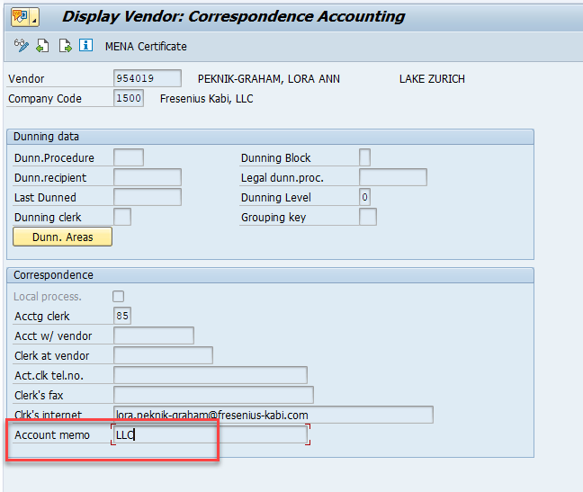
Start of Changes 03/20/18 - Version 12.0
Fresenius Kabi USA, LLC (company code 1000) may submit payments on behalf of other SAP companies. A text field ‘Account Memo’ (LFB1- KVERM) on the Correspondence Accounting tab of the vendor master for the sending company will trigger the printing of a line of text on the face of the check at the top of the remittance form and on the top of the check above the name of the bank indicating the payment is being submitted on their behalf.
If ‘Account Memo’ includes the text “CMP” then print “Paid on Behalf of Fresenius Kabi Compounding” on the face of the check.
If ‘Account Memo’ includes the text “LLC” then print “Paid on Behalf of Fresenius Kabi, LLC” on the face of the check.
End of Changes 03/20/18 - Version 12.0

Start of Changes 06/18/18 - Version 14.0

Fresenius Kabi USA, LLC (company code 1000) may submit payments on behalf of other SAP US companies.
The statement that prints on a check identifying when a payment is made on behalf of another company will be triggered when the paying company is different than the sending company. The name of the sending company that prints as part of the paid-on behalf statement will be based on the information in the trading partner table.
End of Changes 06/18/18 - Version 14.0

Sheet3
